issue
ie11 で、クリップボード貼り付けが失敗する

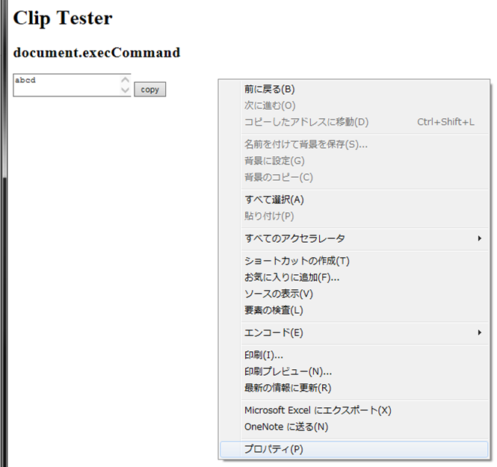

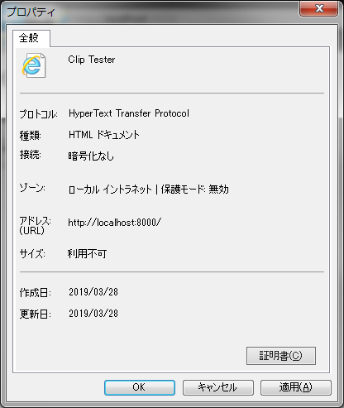

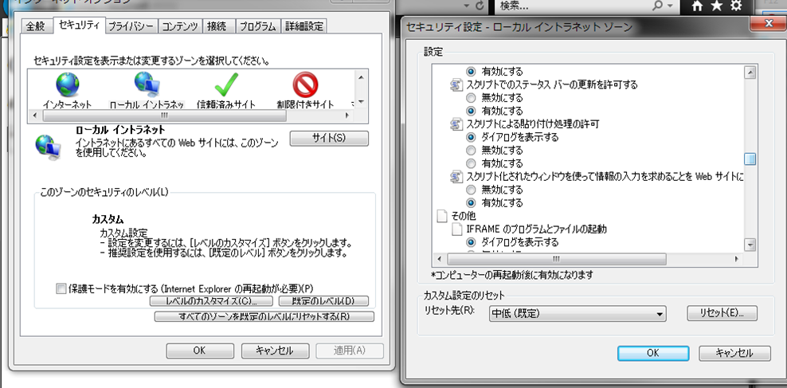

チェックしていても動作しなかった
(on ie11
`py -m http.server` コマンド後、
`http://localhost:8000/` で接続

